stock_data_with comments
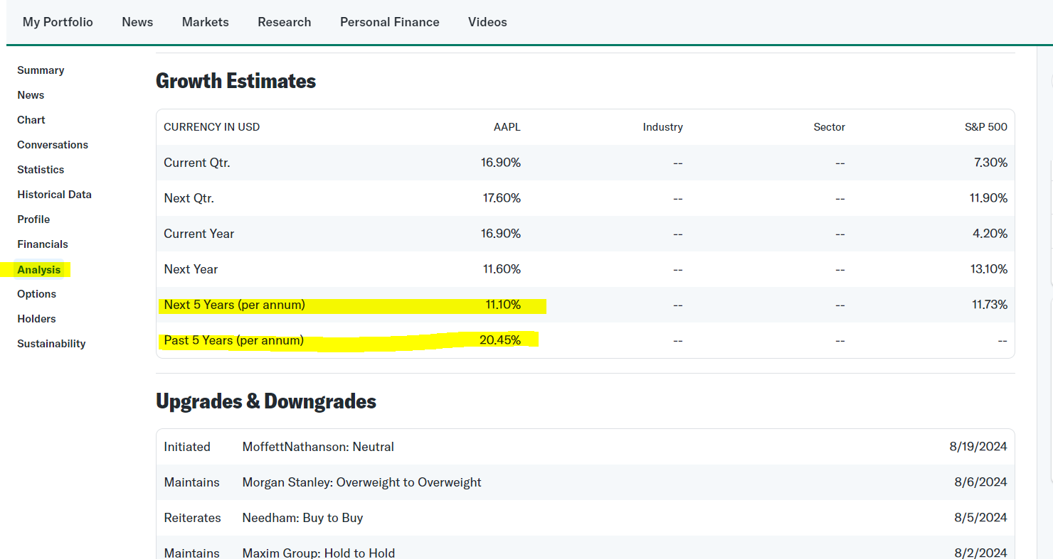
ticker | company_name | list_exchange | Origin_Country | real_time_share_price | ytd_return | market_cap | profit_margin | ebitda | levered_free_cash_flow | fifty_two_week_high | fifty_two_week_low | share_price_proximity_to_52w_low | pe_ratio | eps | growth_estimate_last | growth_estimate_next | Real Time Yield of AAA Corporate Bonds | dividend_payer_status | dividend_payer_status_percentage | Dividend Yield on Cost | real_time_annual_dividend | real_time_dividend_yield
AAPL | Apple Inc. (AAPL) | NasdaqGS | ? | 225.89 | 17.77% | 3.434T | 26.44% | 25.72 | 86.16B | 237.23 | 164.08 | 0.273628757 | 34.33 | 6.58 | 11.10% | 11.60% | ? | 1.00 (0.45%) | 0.45% | ? | 1 | 0.44%
MSFT | Microsoft Corporation (MSFT) | NasdaqGS | ? | 421.53 | 12.71% | 3.133T | 35.96% | 23.32 | 56.71B | 468.35 | 309.45 | 0.265888549 | 35.72 | 11.8 | 14.60% | 16.40% | ? | 3.00 (0.72%) | 0.72% | ? | 3 | 0.71%
GOOGL | Alphabet Inc. (GOOGL) | NasdaqGS | ? | 166.67 | 19.45% | 2.062T | 26.70% | 16.83 | 43.99B | 191.75 | 120.21 | 0.278754425 | 23.91 | 6.97 | 20.50% | 13.60% | ? | 0.80 (0.49%) | 0.49% | ? | 0.8 | 0.48%
LI | Li Auto Inc. (LI) | NasdaqGS | ? | 21.47 | 3.06% | 21.802B | 8.70% | 6.45 | 29.81B | 46.44 | 17.75 | 0.173265021 | 14.22 | 1.51 | 0.45% | 54.00% | ? | -- | N/A | ? | N/A | N/A

 | "Origin Country" column is missing. Data is a static data to be scraped once. Please use following section (Profile) of Yahoo Finance, to scrape country information
 | https://finance.yahoo.com/quote/ITUB/profile/
 | SNIP #1 |  |  |  |  |  |  | SNIP #2 |  |  |  |  |  |  | SNIP #3
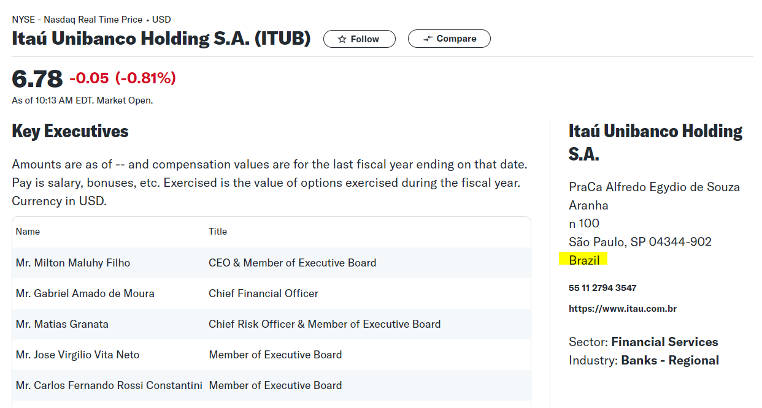
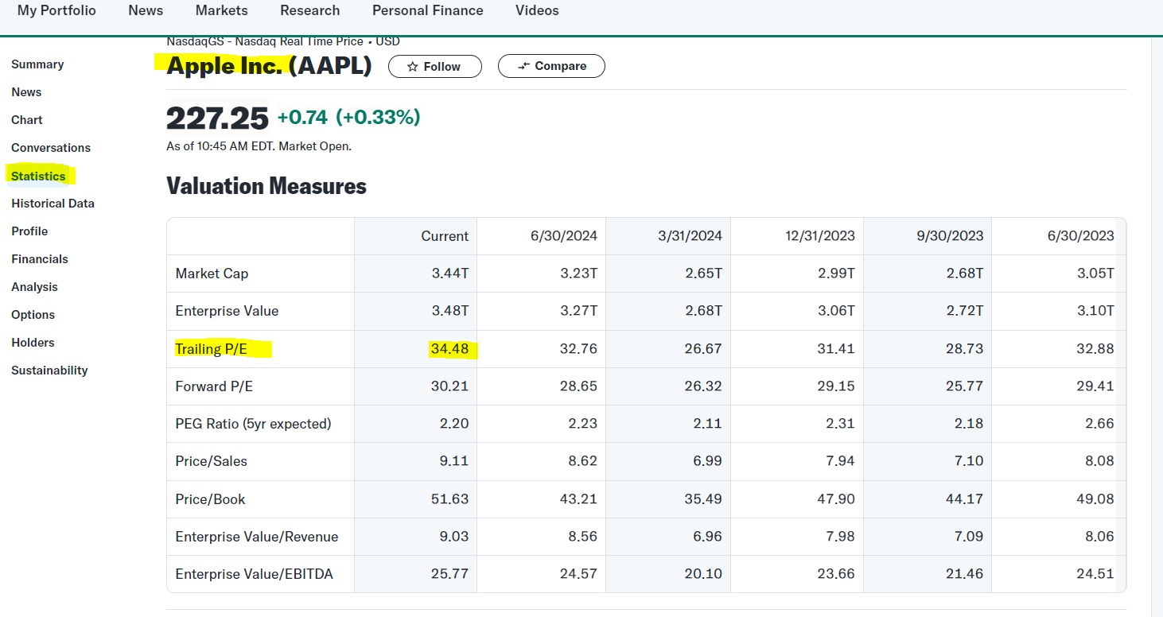
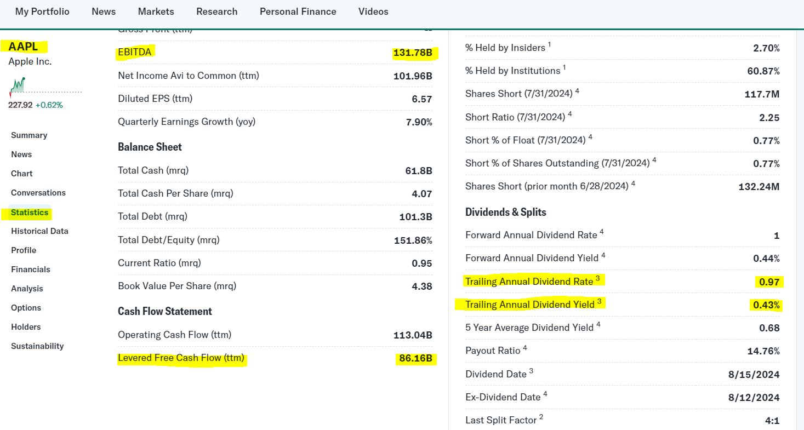

 | Real Time Yield of AAA Corporate Bonds field is missing. You may scrape it from below website
 | https://ycharts.com/indicators/moodys_seasoned_aaa_corporate_bond_yield
 | This value to be the same across all tickers, and appear as column Q in your tool. It will be used for intrinsic value calculation
 | SNIP #4

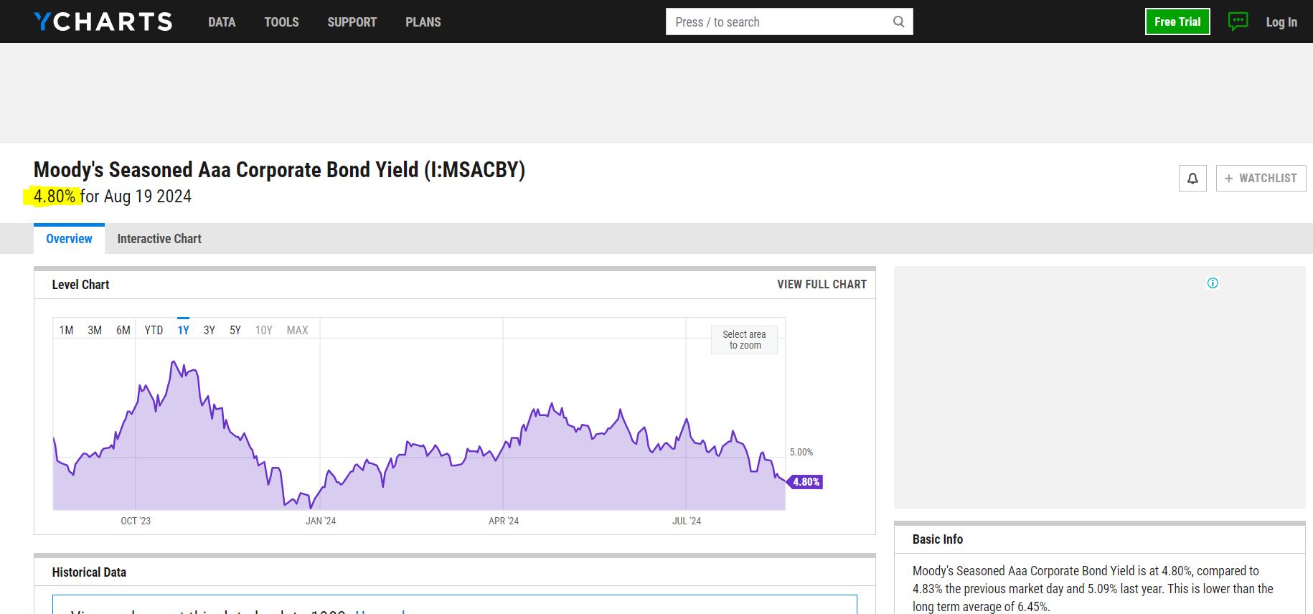

 |  |  |  |  |  |  |  |  |  |  |  |  |  |  |  | SNIP #5

